BSD
Purpose of the entry
Accrual to record the inventory in Transit among an Intercompany sales.

Purchasing Orders

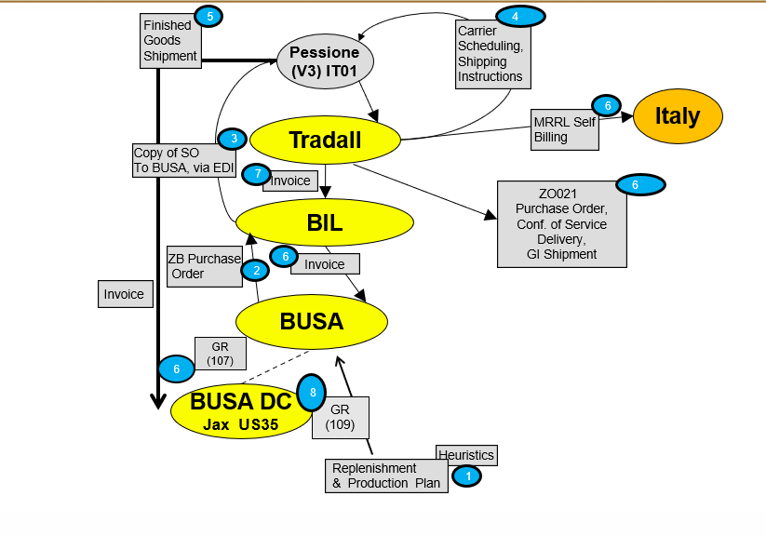
 |  | Good Receipt posting |  |  |  | Invoice Receipt posting
 | It is trigger by the ZO021 or manually done: |  |  |  | It is trigger by the Good receipt and posted via:
 |  | Mov 107 | Financial impact |  |  | Idoc Posting | Automatic posting trigger by the Good receipt
 |  | Mov 109 | Logistic impact |  |  | Manual Posting | Intercompany
 |  | Mov 101 | Financial + Logistic impact

 |  | Entry |  |  |  | Entry
 | Debit | Inventory |  | is @ standard cost in Plant | Debit | Good Receipt Invoice Receipt account |  | is @ net value in PO
 | Debit-Credit | Price variances account |  | variance Standard cost vs net value | Credit | Account Payable Intercompany |  | is @ invoice value
 | Credit | Good Receipt Invoice Receipt account |  | is @ net value in PO | Debit-Credit | Price variances account |  | variance PO net value vs invoice value

 | If in PO-STO the items are in transit an accrual is needed to reconcile Intercompany Account Receivable and Account Payable

 |  | Entry
 | Debit | Inventory |  | is @ standard cost in Plant
 | Debit-Credit | Price variances account |  | variance PO net value vs invoice value
 | Credit | Account Payable Intercompany |  | is @ invoice value

 | Inventory Accounts

 | Inventory account- Please see Val Class split
 | 20034600 - Price Variance Account

